1. Title Page
Instacart Grocery Basket Analysis

Project Name: Instacart Grocery Basket Analysis
Date: 11 Sep 2022
Analyst Name: Albert Tran

Contents:
Population Flow
Consistency checks
Wrangling steps
Column derivations
Visualizations
Recommendations

“The Instacart Online Grocery Shopping Dataset 2017”, Accessed from https://www.instacart.com/datasets/grocery-shopping-2017 on <1 Sep 2022>.
Data such as customer information and "prices" were both fabricated for the purpose of this analysis.

2. Population Flow
Title page

Population flow

Exclusion flag
Condition: max_order < 5
Obervations to be removed: 2,884
Final total count of order_products_all: 32,401,975

Orders_products_combined
Orders_products_merged
Orders_products_all

Total: 32,404,859
Total: 32,434,489
Total: 32,404,859

1.) The grey boxes in the first row of the population flow represent the original data sets as they were when I downloaded them. The Total fields are the count of the rows when I imported the data set into Jupyter.
2.) The second row of boxes (coloured) represents the data sets after I manipulated them, e.g., removed missing values and duplicates. The Total fields are the count of the rows after I conducted these operations. This offers a visual oveview of how the data flows throughout the data consistency checks.
3.) The third row, where also the arrows are coloured, represents the merges I performed between the datasets. The Total fields are the count of the rows in the merged datasets, so I end up with the final dataset (in the red box). Keep in mind the final dataset should be without exclusions (based on the exclusion flag).

3. Consistency checks
 |  |  |  |  | Title page
Consistency checks

Dataset | Missing values | Missing values | Missing values treatment | Duplicates
orders | days_since_last_order | 206209 NaN | nothing - indicates first order | no duplicate values found
products | product_name | 16 NaN | dataset without missing values created
 | prices | 2 values>25 | changed to NaN
 |  |  |  | 5 records with exact duplicates removed

orders_products_prior |  | no missing values found |  | no duplicate values found
customers | first_name | 11259 NaN | nothing-name will be removed later on | no duplicate values found

4. Wrangling steps
 |  |  |  | Title page
Wrangling steps

Columns dropped | Columns renamed | Columns' type changed | Comment/Reason
eval_set |  |  | not necessary for analysis
 | order_dow-> order_day_of_week |  | name was not clear
 |  | order_id->str | acts as key
 | STATE-> state |  | align w other column names
 | Age-> age |  | align w other column names
 | n_dependents->number_of_dependents |  | name was not clear
 | fam_status->maritial_status |  | name was not clear
first_name |  |  | PII issues
last_name |  |  | PII issues
_merge |  |  | reduce memory usage
aisle_id |  |  | not necessary for analysis

5. Column derivations
 |  |  |  | Title page

Column derivations and aggregations

In this tab you should add tables below that the frequences of flags/label variables that you produced after deriving them. NB: don't do this for continuous variables, only for flags.
Dataset | New column | Column/s it was derived from | Conditions
orders_products_merged | price_range | prices | If price <= $5, it will be labeled a “low-range product.” If price > $5 but l<= $15, it will be labeled a “mid-range product.” If price > $15, it will be labeled a “high-range product.”
 | busiest_day | order_day_of_week | if day 0 - 'busiest day', if day 4 - 'least busy', else-'regularly busy'
 | busiest_days | order_day_of_week | if day 0 or 1- 'busiest days', if day 4 or 3- 'least busy', else-'regularly busy'
 | busiest_period_of_day | order_hour_of_day | if hour of day <=16 and >=9, then 'most orders', if hour of day <6 then 'fewest orders', else - 'average orders'.
orders_products_merged_new | max_order | customer_id, order_number | maximum orders per customer
 | loyalty_flag | max_order | if max_order>40, customer is 'loyal customer', if max_order<=40 and>10, then customer is 'regular customer', if max_order<=10 then customer is 'new customer'.
 | spending_flag | average_price | if average_price<10, then customer is 'low spender', if average_price>=10, then customer is 'high spender'
 | mean_order_price | customer_id, prices | mean price by user
final_dataset | frequency_flag | customer_id, days_since_prior_order | if median_order_days >20, then customer is 'non-frequent customer' if median_order_days >10 and <=20, then customer is 'regular customer', if median_order_days<=10, then customer is 'frequent customer'
 | region | state | Northeast = ['Maine', 'New Hampshire', 'Vermont', 'Massachusetts', 'Rhode Island', 'Connecticut', 'New York', 'Pennsylvania', 'New Jersey'] Midwest = ['Wisconsin', 'Michigan', 'Illinois', 'Indiana', 'Ohio', 'North Dakota', 'South Dakota', 'Nebraska', 'Kansas', 'Minnesota', 'Iowa', 'Missouri'] South = ['Delaware', 'Maryland', 'District of Columbia', 'Virginia', 'West Virginia', 'North Carolina', 'South Carolina', 'Georgia', 'Florida', 'Kentucky', 'Tennessee', 'Mississippi', 'Alabama', 'Oklahoma', 'Texas', 'Arkansas', 'Louisiana'] West = ['Idaho', 'Montana', 'Wyoming', 'Nevada', 'Utah', 'Colorado', 'Arizona', 'New Mexico', 'Alaska', 'Washington', 'Oregon', 'California', 'Hawaii']
 | total_orders | customer_id | # of orders made by each user
 | Activity_flag | max_order | if max_order>=5, customer is active, else customer is inactive and should be excluded from analysis
 | age grouping | age | - Age range 1 = Young Adult >= 18 & <35 - Age range 2 = Adult >=35 & <60 - Age range 3 = Senior >= 60
 | income grouping | income | - Less than 50,000 = Low Income - Between 50,000 & 120,000 = Middle Income - Above 120,000 = High Income
 | dependant grouping | number_of_dependants | if customer has more than 0 dependants, customer has dependants, otherwise- customer doesn’t have dependants
 | pet status | department_id | if department column for customer contains pet stuff, customer has bought pet stuff(1), otherwise customer hasn't bought pet stuff(0)
 | Parent status | department_id | if department column for customer contains baby stuff, customer has bought baby stuff and is labelled as parent

6. Visualizations
Title page
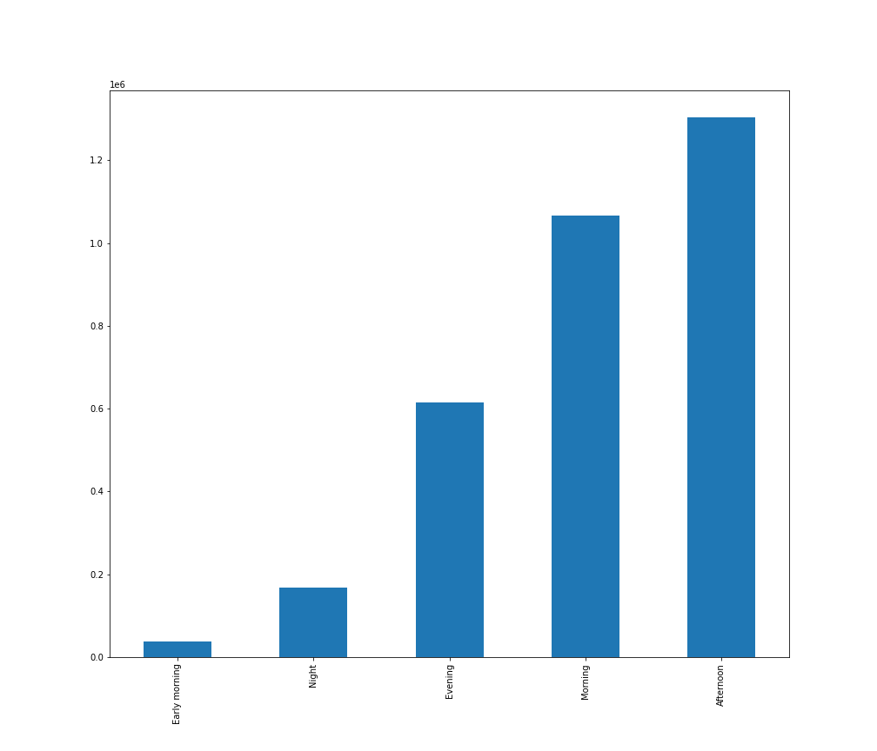
Visualisations

Key Question 1: The sales team needs to know what the busiest days of the week and hours of the day are (i.e., the days and times with the most orders) in order to schedule ads at times when there are fewer orders.
Day Breakdown
Early morning: 12:00am - 05:59am
Morning: 06:00am - 11:59am
Afternoon: 12:00pm-04:59pm
Evening: 05:00pm - 08:59pm
Night: 9:00pm - 11:59pm




Week Breakdown
0: Sunday
1: Monday
2: Tuesday
3: Wednesday
4: Thursday
5: Friday
6: Saturday

Histogram represents the orders placed at each hour of the day. We can see that most orders are placed from 9:00am until 4:00pm.
It is reccomended that we have the most ads play during this period of the day.
Bar chart represents orders placed each day of the week
Most orders are placed during Sunday & Monday, therefore we should
have more adds during these days, with more on Sunday.
The least amount of orders happen in the early morning and at night, with
most orders taking place in the afternoon and morning.

Key Question 2: They also want to know whether there are particular times of the day when people spend the most money, as this might inform the type of products they advertise at these times.

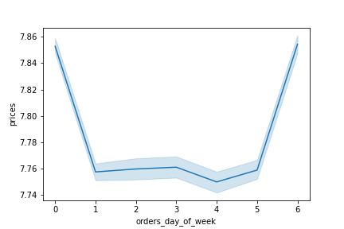
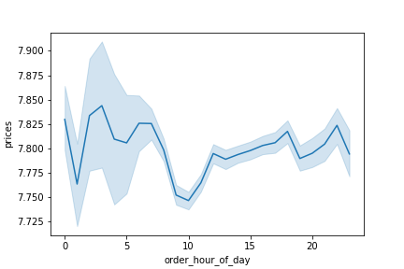

Week Breakdown
0: Sunday
1: Monday
2: Tuesday
3: Wednesday
4: Thursday
5: Friday
6: Saturday

People spend the most money during the weekends (Saturday and Sunday).
People spend the most money between 2-3am and the least amount
of money at 1am and 10am.

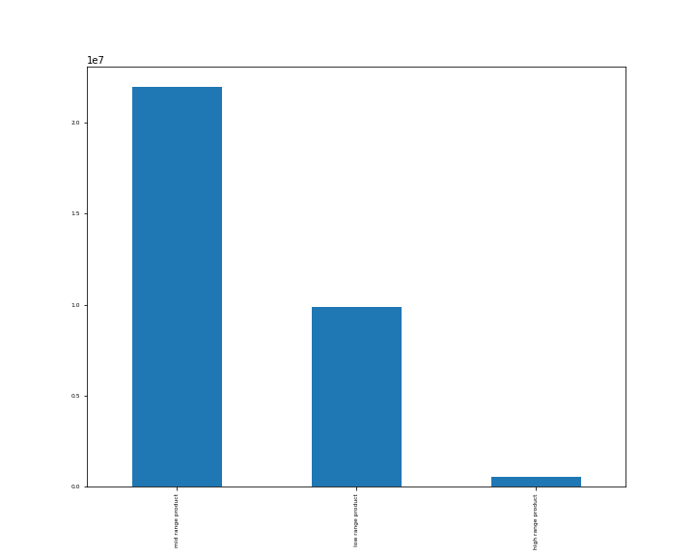

Key Question 3: Instacart has a lot of products with different price tags. Marketing and sales want to use simpler price range groupings to help direct their efforts.

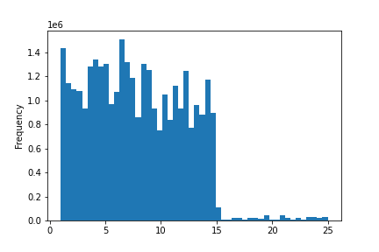

Price range grouping:
Low range product: Price <= $5
Mid range product: $5 < Price <= $15
High range product: Price > $15

The histogram presents the price distribution for product, which are
mainly under $15.

Most products are considered to be 'mid ranged products' whereas the least products are
considered to be 'high ranged products'.

Key Question 4: Are there certain types of products that are more popular than others? The marketing and sales teams want to know which departments have the highest frequency of product
orders.
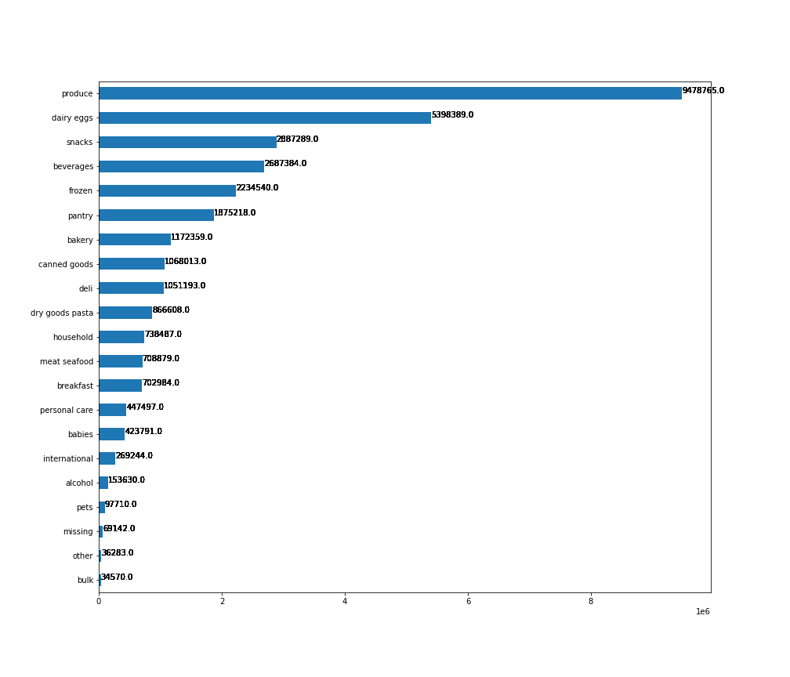
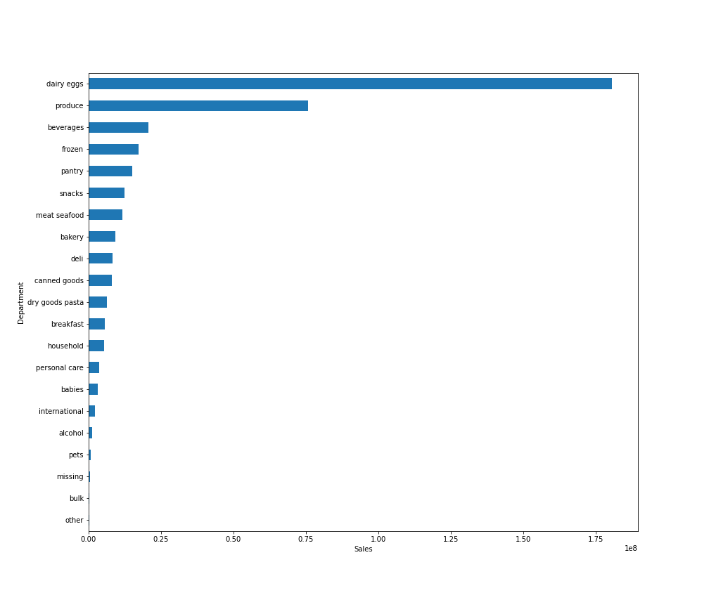

The bar chart above represents the total number of orders made for each department.
The top 5 departments are produce, dairy & eggs, snacks, beverages, and frozen.
The bottom 5 departments are bulk, other, missing, pets, and alcohol.
The bar chart above represents the total sales made from each department
The top 5 departments are dairy & eggs, produce, beverages, frozen, and pantry.
This differs from the top 5 departments in terms of orders and could potentially be from the different
product prices.
For example, dairy & eggs have the second most number of orders but if they were priced more expensive
than produce it would result in dairy & eggs having greater sales.

Key Question 5: The marketing and sales teams are particularly interested in the different types of
customers in their system and how their ordering behaviors differ.

Q5A. What’s the distribution among users in regards to their brand loyalty (i.e., how often do they return to Instacart)?

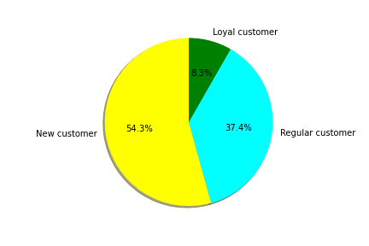
Loyalty Breakdown
New customer: Orders <=10
Regular customer: 10< Orders <= 40
Loyal customer: Orders > 40

Most Instacart customers are considered to be 'New customers' at 54.3%.
The smallest proportion of customers are considered 'Loyal customers at 8.3%.

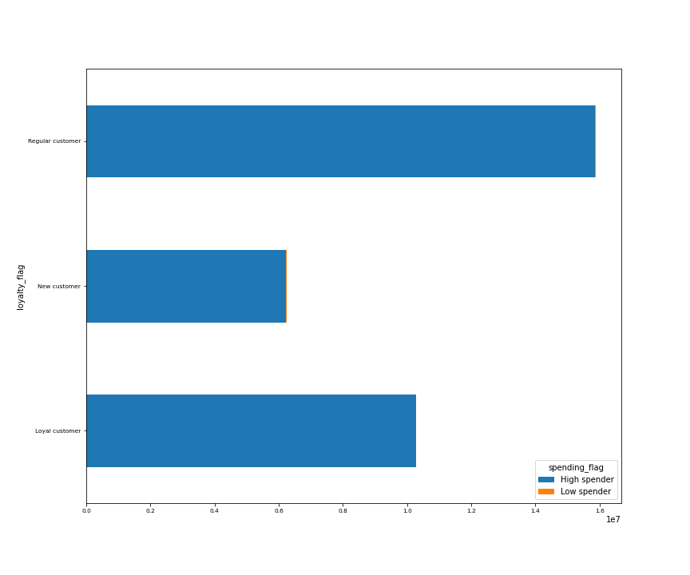
Q5B. Are there differences in ordering habits based on a customer’s loyalty status?
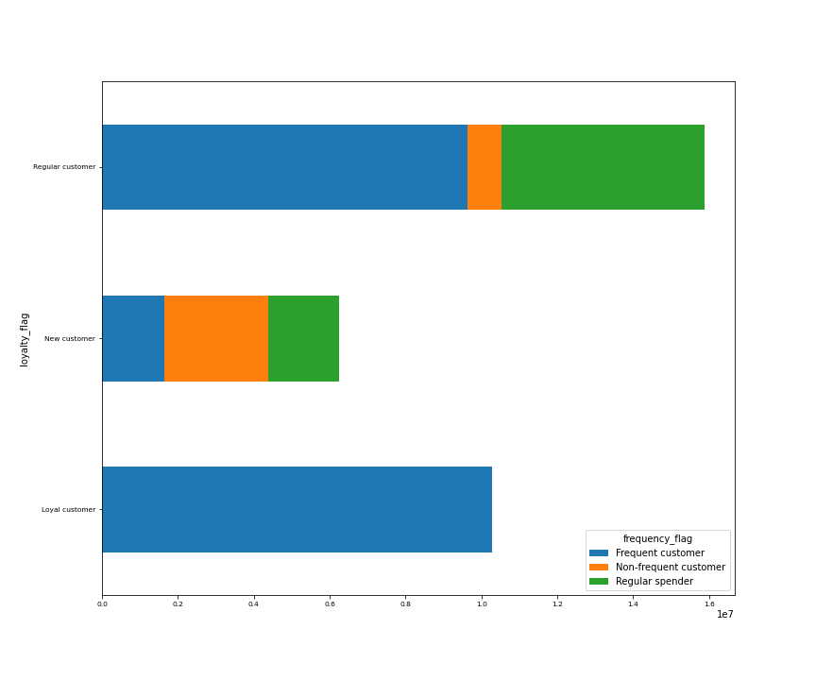

Loyalty Breakdown
New customer: Orders <=10
Regular customer: 10< Orders <= 40
Loyal customer: Orders > 40
Frequency breakdown
Non-frequent customer: Median days since last order > 20
Regular spender: 10 < Median days since last order <= 20
Frequent customer: Median days since last order <= 10

Spending breakdown
Low spender: Mean order price < 10
High spender: Mean order price >= 10

Almost all of loyal customers are frequent customers which makes sense logically.
New customers have almost an even distribution of frequent, non-frequent, and regular spenders
with the largest proprotion being non-frequent customers.
Regular customers are majority frequent customers with regular spenders being next and non-frequent
being the smallest proportion.

In all customer loyalty groups, most customers
are considered high spenders.

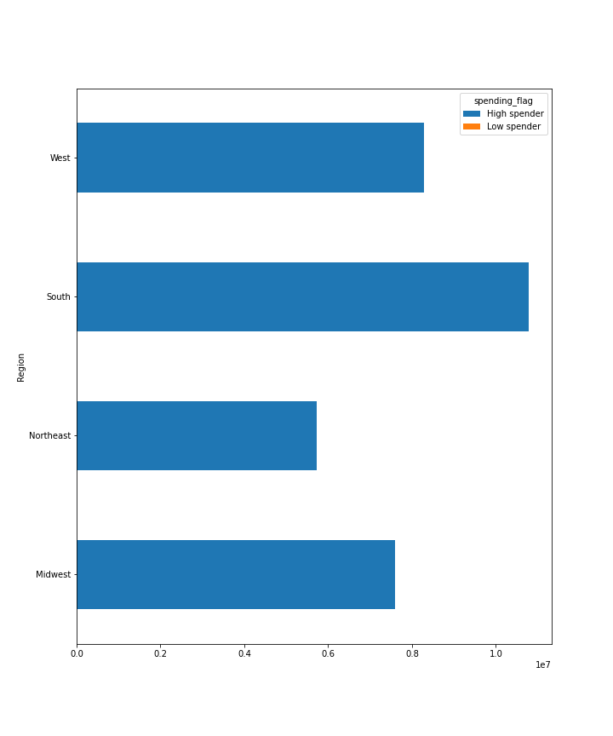

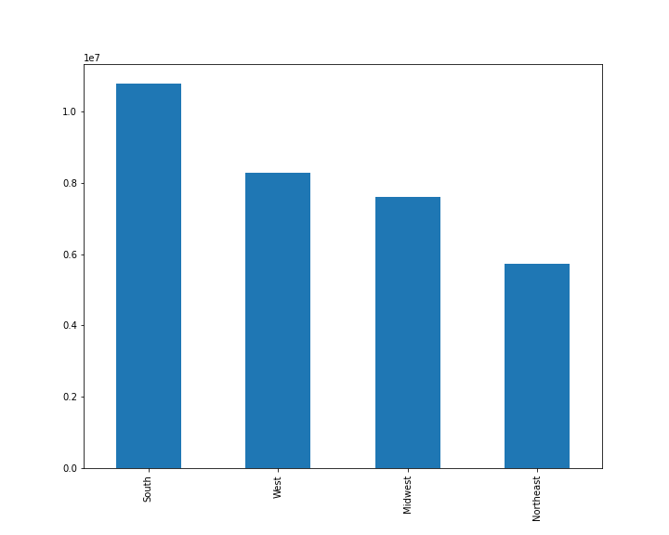
Q5C. Are there differences in ordering habits based on a customer’s region?

In all regions, almost all customers are considered high spenders.

The largest amount of orders come the Southern region of the US.
The least amount of orders come from the Northeast.
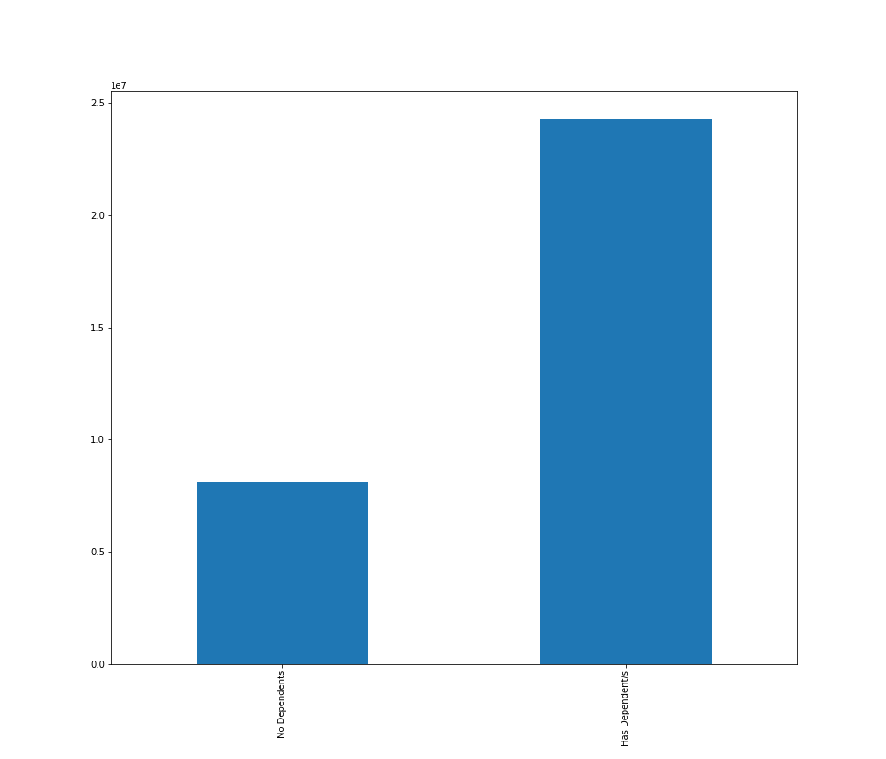
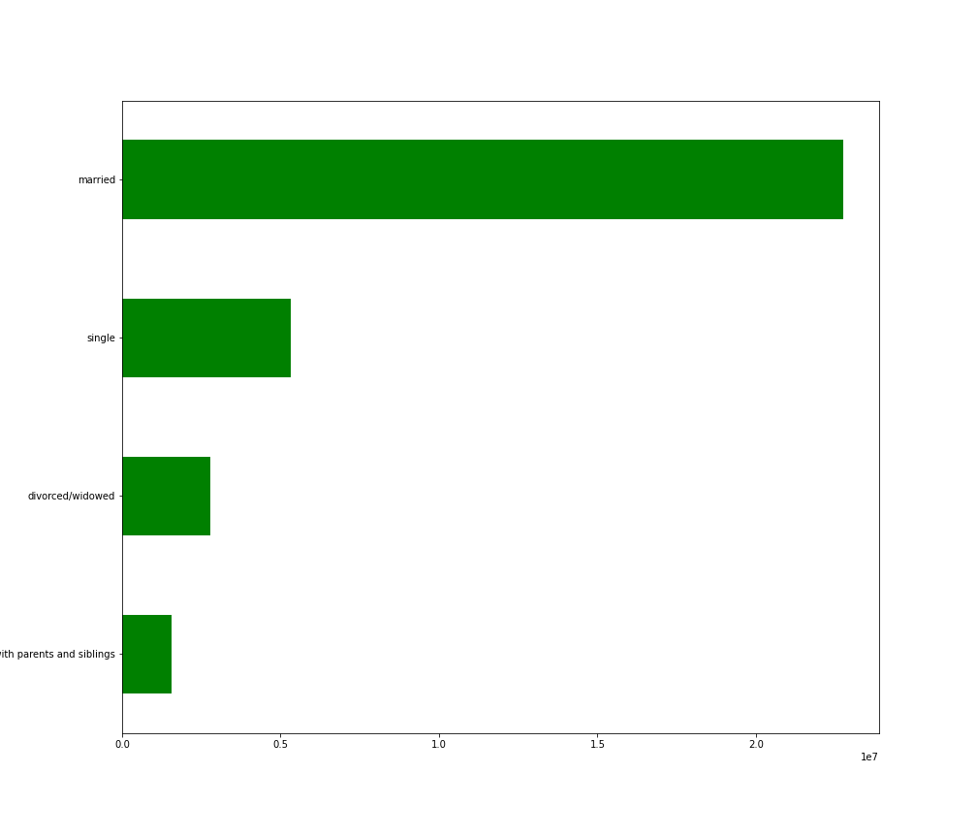

Q5D. Is there a connection between age and family status in terms of ordering habits?
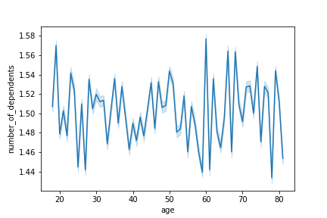

The number of dependents fluctuate with age and is not consistent.
A very large proportion of our
orders come from customers
who are married.

Customers who are married and have dependents order the most products.

Around 25,000,000 Instacart customers have dependents or children.

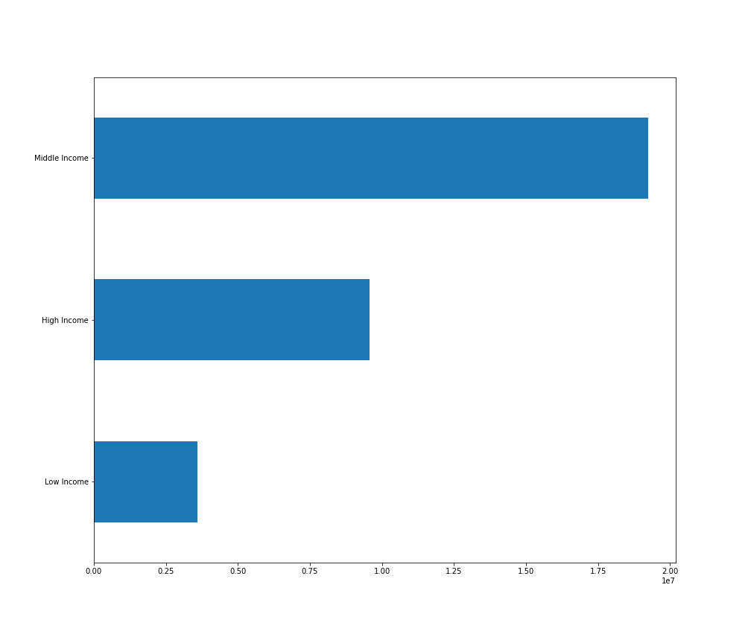
Q5E. What different classifications does the demographic information suggest? Age? Income? Certain types of goods? Family status?

Income breakdown
Low income: < $50,000
Middle income: Between $50,000 and $120,000
High income: > $120,000

Age Group Breakdown
1: 18 <= Young Adult < 35
2: 35 <= Adult < 60
3: 60 <= Senior

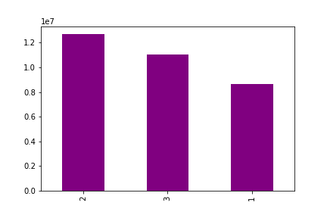

Most orders come from 'middle income' customers with the least coming from 'low income',
with the second highest number of orders coming from 'high income' customers.
The biggest proportion of orders come from adults with the smallest porpotion coming from young adults.

Q5F. What differences can you find in ordering habits of different customer profiles?
Consider the price of orders, the frequency of orders, the products customers are ordering, and anything else you can think of.
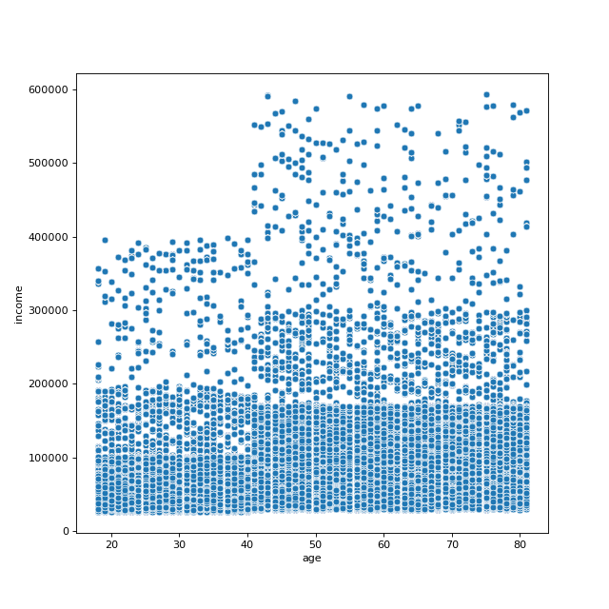
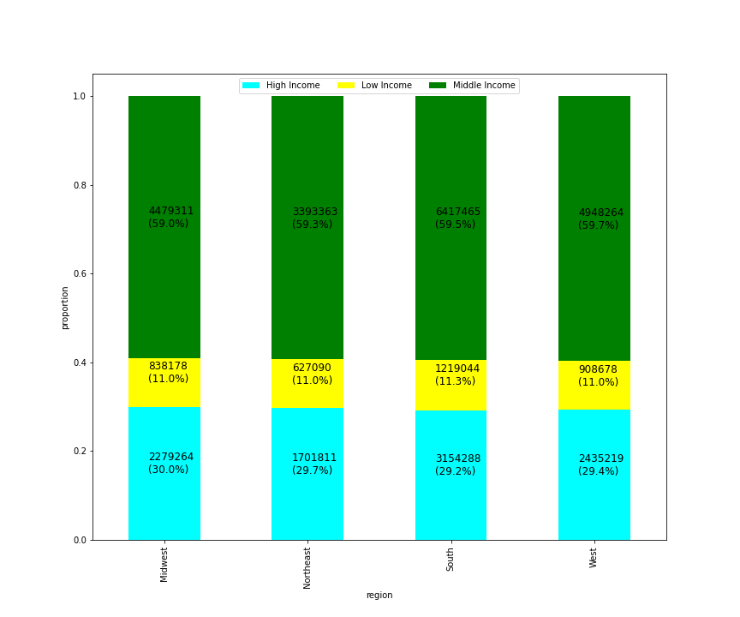
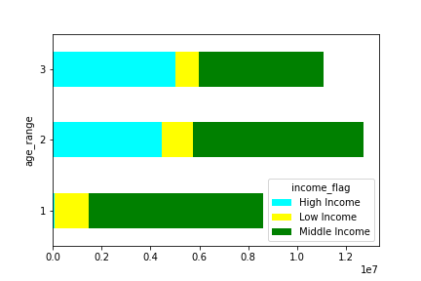

Age Group Breakdown
1: 18 <= Young Adult < 35
2: 35 <= Adult < 60
3: 60 <= Senior

Most of our customers are between the ages of 35 and 60, with a
majority of them being considered middle income.
In all age groups, the biggest proportion of customers are considered
middle income.
However, as the age increases so does the proportion of 'high income'
customers.
When comparing incomes proportions in different regions, all regions have
identical proportions of low, middle, and high income customers.

As customer age increases, so does the average. A majority of customers between
the age 18-40 make around $100,000 of income, however after the age of 40
customers on average make around $180,000.

7. Recommendations
 |  | Title page

Recommendations

In this tab you should include any recommendations you would made to Instcart in terms of their marketing strategy based on the questions posed in the brief. Every key question has been covered in the Tasks of the Exercises - here you need to add an item - a visualisation or table/crosstable that is showing the answer in the data, acompanied by a comment from you. Please, list the questions below and add the answer underneath.

Question | Answer
Key Question 1 | Ads should be scheuled on the weekdays in the early mornings and night.
Key Question 2 | People spend the most money during the weekends around 2-7am. The sales team should analyze what products are being purchased around these times in order to advertise them.
Key Question 3 | Mid ranged products between $5 and $15 are being purchased the most. Therefore, the marketing team should focus on advertising these products.
Key Question 4 | Products being ordered the most are produce, dairy & eggs, snacks, beverages, and frozen products. The marketing and sales team should focus advertising these products.
Key Question 5A | Marketing team should target advertisements towards regular and new customers in order to increase the frequency of orders and sales.
Key Question 5B | Ads should target new and regular customers and tailor towards their interest in order to make them frequent customers.
Key Question 5C | All regions almost entirely consist of high spenders, therefore ads should be placed in order to increase customerbase in all regions.
Key Question 5D | The majority of ads should be cater towards customers who are married and have dependents. However, ads should be created in order to increase customer base for other demographics.
Key Question 5E | Revenue could potentially increase by catering adds toward middle income adults between the ages of 35 and 60.
Key Question 5F | Customers should be targeted with ads based on their order history in order to encourage them to order more frequently and become loyal customers.

